EAP1160-Survey
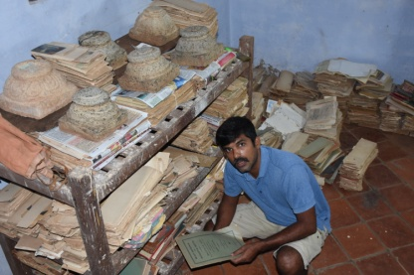
A sample survey Schedule for the royal house of Kongu nadu
Owner details | Palaiyam1 | 2 | 3 | 4 | 5 | 6 | 7 | 8 | 9 | 10 | 11 | 12 | 13 | 14 | 15 | 16 | 17 | 18
Date and Time | 2018-09-26 | 27/9/2018 | 28/9/2018 | 29/9/2018 | 20/10/2018 | 21/10/2018 | 22/10/2018 | 23/10/2018 | 24/10/2018 | 2018-08-11 | 2018-09-11 | 2018-10-11 | 2018-11-11 |  |  | 17/1/2018 | 18/1/2018 | 19/1/2018
Place | Pokkampalaiyam | Pudupalaiyam | Taramangalam | Semmipalaiyam | Edayakottai | Metrathi | Tungavi | Avalapampatti | Myvadi | Negamam | Periyapatti | Amanthakadavu | Thali | Kadavur | Jothampatti | Kakavadi-Pichampatti | NallaKumaran patti | Sukkampatti
Person whom the schedule filled | Thiru. Sengotuvelu | None in the village, searching through contacts | Mathivanan | Paruvatha varthini | Dinesh Raja | Vijayakumar | Navaneetha raja | Vasudevan | Bhagya leelavathi | Jeyakumar | Jeyaraj | Thangavel | Ethalappa naikar | Mohan babu | Damodarasamy, Veerakumarandi | Manokaran | Kandasamy/Gunasekaran | Manalmedu Maniyarar
Relationship to the owner | Current owner, Patrilineal relative to the zamindar |  | Current owner, Patrilineal relative to the Palaiyakkarar | Current owner, daughter of the monigar | Current owner, descendant of the Palaiyakkarar | Current owner, descendant of the Palaiyakkarar | Current owner, descendant of the Palaiyakkarar | Current owner, descendant of the Palaiyakkarar | Current owner, descendant of the Palaiyakkarar | Current owner, descendant of the Palaiyakkarar | Current owner, descendant of the Palaiyakkarar | Current owner, descendant of the Palaiyakkarar | Current owner, descendant of the Palaiyakkarar | Current owner, descendant of the Palaiyakkarar | Current owner, descendant of the Palaiyakkarar | Current owner, descendant of the Pattakkarar | Current owner, descendant of the Pattakkarar | Current owner, descendant of the Palaiyakkarar
Is the owner and the person contacted are the same | Descendant of the zamindar |  | yes | yes | yes | yes | yes | yes | yes | yes | yes | yes | yes | yes | yes | yes | yes | yes
Name of the Palaiyam / Zamin | Pokkampalaiyam |  | Taramangalam | Semmipalaiyam maniyam | Edayakottai | Metrathi | Tungavi | Avalapampatti | Myvadi | Negamam | Periyapatti | Amanthakadavu | Thali | Kadavur | Jothampatti | Kakavadi-Pichampatti | NallaKumaran patti | Sukkampatti
Title of the chief [i.e. Kalingarayar] | None |  | Gatti Mudali | none | Laksmipathy Naikar | Nathama Naikar | Seelai Naikar | Avalapampatti | Kalingarayar | Negamam | Periyapatti | Amanthakadavu | Thali | Kadavur | Jothampatti | Kakavadi-Pichampatti | NallaKumaran patti | Sukkampatti
Leadership [Pattakkarar / Palaiyakkarar] | Palaiyakkarar |  | Palaiyakkarar | Maniyakarar- Monigar | Palaiyakkarar | Palaiyakkarar | Palaiyakkarar | Palaiyakkarar | Palaiyakkarar | Palaiyakkarar | Palaiyakkarar | Palaiyakkarar | Palaiyakkarar | Palaiyakkarar | Palaiyakkarar | Pattakkarar | Pattakkarar | Palaiyakkarar
Caste | Kongu vellalar |  | Kongu vellalar | Kongu vellalar | Naikar | Naikar | Naikar | Naikar | Kongu vellalar | Naikar | Naikar | Naikar | Naikar | Naikar | Naikar | Vettuva Goundar | Vettuva Goundar | Naikar
Clans (Kulam or Gotram) |  |  | Neelan |  | Vallakavar | Palavar | Palavar | Kuchubommu | Sathanthai | Palavar |  |  |  | Kuri Palamu |  |  | Santhapadai | Kollavar
Earlier Nadu division | Kiz Karai Punthurai nadu |  | Poovaniya nadu | Kangeya nadu
Present districts | Namakkal |  | Omalur, Salem district | Palladam, Tiruppur | Aravakurichi, Karur |  |  |  |  |  |  |  |  | Dindigul |  | Karur | Karur | Karur

Archival Material
Availability of archival material [Yes / No] | Yes |  | yes | yes | yes | yes | No, the materials are last during the years | yes | No, the materials are last during the years | yes | yes | yes | No material available | yes | yes | yes | yes | yes
If Yes what kind of materials [Copper Plate / Palm Leaf / Paper / Photographs/] | Papers |  | Papers | Papers | Papers | Papers |  | Papers, Palm leaf |  | Papers, Palm leaf | Papers | Papers and copper plate |  | Palmleaf, Papers | Papers | Palm leaves | Palm leaves | Palm leaves
If paper what type [Loose sheets, Note books, Diary, Printed books, any other form] | Loose sheets, Notebooks |  | Loose sheets | Notebook | Loose sheets, Note books, Diary, Printed books, and many other forms | Loose sheets, Note books, Diary, Printed books, and many other forms |  | Loose sheets, Note books, Diary, Printed books, and many other forms |  | Loose sheets | Loose sheets | Loose sheets |  | Notebook, Diary | Loose sheets | bundles | bundles | bundles
Quantity in each | approx.- 3000 pics |  | approx.- 500 pics | approx.- 500 pics | approx.- 50,000 pics, can exceed | approx.- 10,000 pics can exceed |  | approx.- 5,000 pics can exceed |  | approx.- 5,00 pics can exceed | approx.- 5,00 pics can exceed | approx.- 5,00 pics can exceed |  | approx.- 5,000 pics can exceed | approx.- 5,00 pics can exceed | approx.- 15,00 pics can exceed | approx.- 15,00 pics can exceed | approx.- 15,00 pics can exceed
 | 3000 |  | 500 | 500 | 50000 | 10000 |  | 5000 |  | 500 | 500 | 500 |  | 5000 | 500 | 1500 | 1500 | 1500 | 77500
Material condition [100% 80%,50%,30%, readable] | 100% readable |  | 100% readable | 100% readable | 100-80% readable | 100-80% readable |  | 100-80% readable |  | 100-80% readable | 100-80% readable | 100-80% readable |  | 100-80% readable | 100-80% readable | 100-80% readable | 100-80% readable | 100-80% readable
How the material kept by the owner [A photograph needed to be taken at the time of seeing the documents] | Not available, owner want to show, but busy now see row no 48 for the palace |  | see row no 48 | Not yet seen, they have to search for the notebook, asked me to come again | Materials are seen and cleaned and arranged, digitisation started | Not yet seen, after many attempts the owner asked me to come again, as he is busy. |  | Not yet seen, the owner asked me to come again, as he was rushing to attend a death in the middle of the interview |  | Not yet seen, the owner wanted me to come again | materials are kept with Metrathi Zamin, so they all will be accessed together | materials are kept in a suitcase |  | Not seen the materials yet, had discussion with the chief | See picture below | Not seen the materials yet, had discussion with the chief | Not seen the materials yet, had discussion with the chief | Not seen the materials yet, had discussion with the chief
Write a description of the arrangements | not applicable |  | documents kept in a suitcase, in a file and brought a portion of it to show | Notebook is kept with other materials in a room, where it was not opened for years | These documents were kept in a room with other artefacts and untouched for years, termite attack had destroyed 20%of the materials, these documents were tied together in a cloth as bundles | According to the owner, they are kept in a safe room in the palace. He also collected archival documents from other smaller palaiyam under his control. [i.e. Periyapatti] |  | According to the owner, the materials are safely kept in a wooden box. |  | According to the owner, the materials are safely kept in a iron box. | According to the owner, the materials are safe with matrathi zamin, gave to safeguard and fight the land case in the court. | all bundled up together |  | Palmleaf are kept in a bag not as bundles but single leaf need organisation according to their content, Papers in the form of notebook and diary | all bundled up together | Palmleaf are kept in a bag not as bundles but single leaf need organisation according to their content. | Palm leaves are given to another community, told the PI that he will collect it back and keep in house and asked me to visit him again | Told the PI that he will show on my next visit
Any order maintained by the original owner [such as Collection/ Series/File/Item] | Doc holder told it was arranged as files |  | no order | no order | no order | No order |  | No order |  | No order | No order | No order |  | No order | No order | No order | No order | No order
How the present owner got the custody of the material [Heredity / acquired by the owner from other family] | Heredity |  | Heredity | Heredity | Heredity | Heredity |  | Heredity |  | Heredity | Heredity | Heredity |  | Heredity | Heredity | Heredity | Heredity | Heredity
Does the owner knew the contents of the material [Titles of individual manuscripts, files, etc.] | land documents, need further assessment |  | Land documents, posters | Land accounts | not much, new that was his grandfathers admin documents | not much, land documents |  | not much, land documents |  | not much, land documents | not much, land documents | not much, land documents |  | not much, land documents | not much, land documents | not much, land documents | not much, land documents | not much, land documents
If s/he knew it how [Did they read it or someone helped them to read it] | he does not know |  | Yes, he read the documents | they have not read it | His father told the current owner | he had read it |  | he had read it |  | he had read it | he had read it | he had read it |  | he had read it | he had read it | he has not read it | he has not read it | he has read it
Scope and content of the material | these paper documents deal the zamin administration and land details. Also the prominent descendant P.Subbarayan became the first chief minister of Tamil nadu these documents also contains information on that |  | The materials talk about the inheritance of the land. Being the chief of the village some documents related to administration | the materials can give an idea how a Maniyakarar functioned in the Kongu political system, the maniyam system was there for long but continued during the British regime and had some had equal status to the Palaiyam holders, though they were subordinate to the later | Edayakottai is one of the important palaiyam among the naikar's in kongu nadu. They have resisted the British regime in the beginning later submitted to it. These documents can shed light on these issues and also how it functioned as Zamin later during the British regime. | Metrathi zamin acted as head of Maivadi, Vedapatti, Thunkavi and Jothampatti Zamin. The Palaiyakkarar of Metrathi helped the other four zamins during the hard times, thus they all have good relations and trust the metrathi zamin and handed their document evidences to him. These documents allow us to understand the nexus of these zamins. |  | Both Avalapampatti and Negamam are neighbouring palaiyam also have very close contacts through marriage. They were involved in the war between the British and the palaiyakkarars. |  | Both Avalapampatti and Negamam are neighbouring palaiyam also have very close contacts through marriage. They were involved in the war between the British and the palaiyakkarars. | Connection with metrathi zamin and the lands pertaining to the zamin. | Amanthakadvu is another palaiyam which had participated in the war between the British and the chiefs. They have lost everything and the zamin is going for a daily wage labour. |  | Kadavur zamin is kept under the supervision of the district collector during the British regime. The document created during this period where retained by the family, most of them are lost over generation, but some of them survived and the holder agreed to show them during the next visit. | Jothampatti is one of the zamin associated with metrathi zamin. The material can reveal the inter connection among the zamins. | Kakavadi pattakkarar has a geneaology written in 1801, the family moved from this village and settled in K.Pichampatti 100 years back to hold the palaiyam of pichampatti. There is a palace and the descendants are continue to live there. Materials are belonging to this period. Even today Kakavadi villagers pay respect to the chief in temple functions. | Nallakumaran patti pattakkarar belongs to Vettuva goundar caste. He still receives the first right in the temple functions and does dispute settlement for the villagers. The materials contain details of these issues. Written in palmleaf manuscripts. | Manalmedu maniyarar comes from naikar zamin, keeps the ancestral documents which talks about the function of their zamin. Also the relationship between the Naikar and Vettuvagoundar pattakkararof the territory. Even today when there is crowning ceremony the sword is given by the naikar to vettuva and vice-versa.
Date of the material | 1890-1950 |  | 1892-1950 | 1890 | 1850-1950 | 1850-1950 |  | 1850-1950 |  | 1850-1950 | 1850-1950 | 1850-1950 |  | 1850-1950 | 1850-1950 | 1850-1950 | 1850-1950 | 1850-1950
Language of the material | Tamil and English |  | Tamil and English | Tamil and English | Tamil and English | Tamil and English |  | Tamil and English |  | Tamil and English | Tamil and English | Tamil and English |  | Tamil and English | Tamil and English | Tamil | Tamil | Tamil and English
Script of the material | Tamil and English |  | Tamil and English | Tamil and English | Tamil and English | Tamil and English |  | Tamil and English |  | Tamil and English | Tamil and English | Tamil and English |  | Tamil and English | Tamil and English | Tamil | Tamil | Tamil and English
Physical format and physical condition | Legal size papers, notebooks, diaries |  | legal size bond papers | legal size note book | All size papers,notebooks and diaries, real classification can be made when the work done | All size papers,notebooks and diaries, real classification can be made when the work done |  | All size papers,notebooks and diaries, real classification can be made when the work done |  | All size papers,notebooks and diaries, real classification can be made when the work done | All size papers,notebooks and diaries, real classification can be made when the work done | All size papers. Real classification can be made when the work done |  | All size palm leaves. Legal size notebooks and diaries Real classification can be made when the work done | All size papers. Real classification can be made when the work done | All size palm leaves in good condition | All size palm leaves in good condition | Palm leaves,papers and notebooks kept in god condition.
Physical storage conditions [Wooden /iron box, Drawers, Behind photo frames etc] | kept in a wooden box according to the current owner and the materials are in good condition |  | kept in a suitcase | told by the owner, it is kept in a iron box in the dungen | Kept in cloth bags, tied as many bundles and kept along with other artefacts | Kept in a room in a organised way according to the zamindar |  | materials are kept in a wooden box. |  | materials are kept in a wooden box. | materials are given to metrathi zamin in a paper file. | materials are kept in a suitecase. See piture below in row 47 |  | Materials are kept in a locker | materials are kept in a polythene cover. See piture below in row 47 | cloth bag | polythene bag | woooden shelf
Is this the only location or some part of the material kept elsewhere | only location |  | yes, only location | yes, only location | yes, only location | yes, only location |  | yes, only location |  | yes, only location | yes, only location | yes, only location |  | yes, only location | yes, only location | yes, only location | yes, only location | yes, only location
If so, is it their own or shared among siblings during partition | own |  | own | own | own | own |  | own |  | own | own | own |  | own | own | own | own | own
Administrative backgrounds and functions [Social and Political leaders] | Social and Political |  | Social and Political | Administrative | Social, Political and Administrative | Social, Political and Administrative |  | Political and administrative |  | Political and administrative | Political and administrative | Political and administrative |  | Political and administrative | Political and administrative | Social and Political | Social and Political | Social and Political
Vital contextual information which will be important for assessing the value and scope of the material. | being the social and political leaders the materials contain the functioning and history of the territory |  | being the social and political leaders the materials contain the functioning and history of the palaiyam territory | it will help to understand the function of monigar system | This collection is largest among the all present search as well as our previous EAP (314,458,689). These many document pertaining to one paliyam will give us a better picture of the history and functioning of this Palaiyam as well as the history of Kongu and the Naikar zamin | Materials possesed by this zamin will reveal the interrelation between the five Zamins. Also the functioning and history of the palaiyam can be reveled from these documents. |  | Avalapampatti Zamin had close contacts with Naikar zamin, through political and marital relations. This work and familial relation can be accessed through these records. |  | Avalapampatti Zamin had close contacts with Naikar zamin, through political and marital relations. This work and familial relation can be accessed through these records. | by giving their own documents to other zamin raises the relationship with these two zamin and their functioning | Amanthakadvu is another palaiyam which had participated in the war between the British and the chiefs. They have lost everything and the zamin is going for a daily wage labour. It will be interesting to know through the documents is there any evidence available for this decline |  | Kadavur zamin is kept under the supervision of the district collector during the British regime. Thus the docements pertaining to this zamin can reveal the funtioning of a zamin under the direct control of British regime. | Jothampatti is one of the zamin associated with metrathi zamin. The material can reveal the inter connection among the zamins. | Pichampatti chief had close contacts with other vettuva pattakkarar and Naikar Zamindar. The documents possesed by this chief might contain these relations. | NallaKumaran patti chief had close contacts with other vettuva pattakkarar and Naikar Zamindar. The documents possesed by this chief might contain these relations. | Manalmedu maniyarar comes from naikar zamin, has good relationship with Vettuvagoundar pattakkarars. Political rituals and the contribution by the naikers are pertinent in the understanding of the relationship between the two cheifs by analysing these materials.
Biographical details about the creators | NA |  | nil | nil | Venkatathri naikar and his son Lakshmipathy Naikar (1880-1950) have created and used these documents for their Zamin administration. These materials are survived this long but deteriorating fastly. | Nil, can be assessed once the materials are registered. |  | Nil, can be assessed once the materials are registered. |  | Nil, can be assessed once the materials are registered. | Nil, can be assessed once the materials are registered. | Nil, can be assessed once the materials are registered. |  | Nil, can be assessed once the materials are registered. | Nil, can be assessed once the materials are registered. | Nil, can be assessed once the materials are registered. | Nil, can be assessed once the materials are registered. | Nil, can be assessed once the materials are registered.
Interrelationships between the materials | NA |  | NA | NA | NA | the five different zamins and their political relationships |  | NA |  | NA | NA | NA |  | NA | NA | NA | NA | NA
Correspondence between two royal family collections. | Pokkampalayam and Pudupalaiyam are neighbouring zamin so there will be some vital information available on these two leaders |  | NA | NA | The communications received by the palaiyakkarar kept in this collection, but what kind of correspondence he wrote can be observed only by looking into other zamin collection | The five zamins have long standing relation thus their interaction is vital to understand the history |  | NA |  | NA | NA | NA |  | NA | NA | NA | NA | NA
Willingness to participate in the future Major Project. | Agreed for digitisation |  | Agreed for digitisation | Agreed for digitisation | Digitisation started | Agreed for digitisation |  | Agreed for digitisation |  | Agreed for digitisation | Agreed for digitisation | Agreed for digitisation |  | Agreed for digitisation | Agreed for digitisation | Agreed for digitisation | Agreed for digitisation | Agreed for digitisation
Current ownership of the material and associated rights | sole owner, no copyright issues attached these materials |  | sole owner, no copyright issues attached these materials | sole owner, no copyright issues attached these materials | sole owner, no copyright issues attached these materials | sole owner, no copyright issues attached these materials |  | sole owner, no copyright issues attached these materials |  | sole owner, no copyright issues attached these materials | sole owner, no copyright issues attached these materials | sole owner, no copyright issues attached these materials |  | sole owner, no copyright issues attached these materials | sole owner, no copyright issues attached these materials | sole owner, no copyright issues attached these materials | sole owner, no copyright issues attached these materials | sole owner, no copyright issues attached these materials

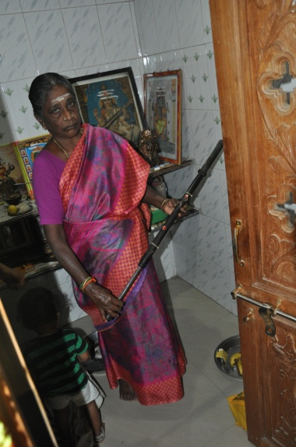
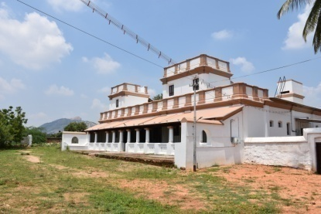 These Pictures can be expanded - to fit to the width of the box it has been shrunk |  | 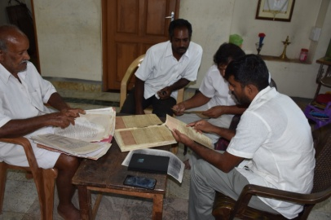 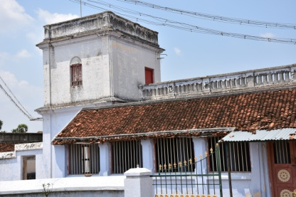 | 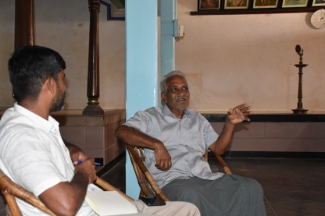 |  | 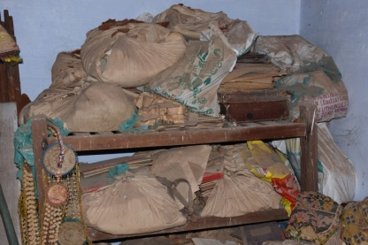 | 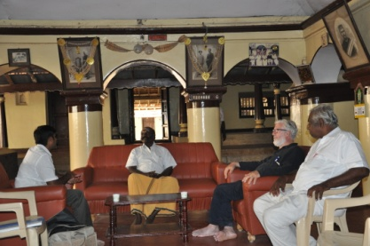 | 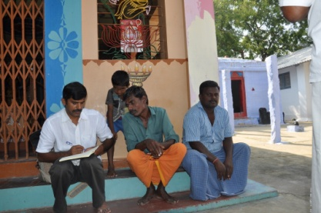 | 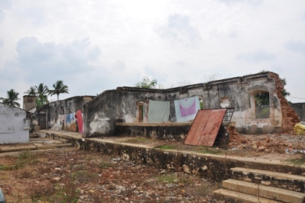 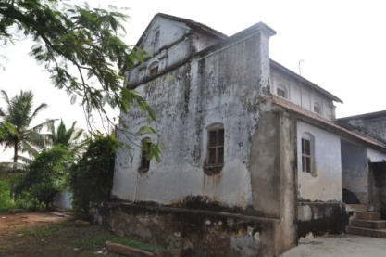 |  |  | 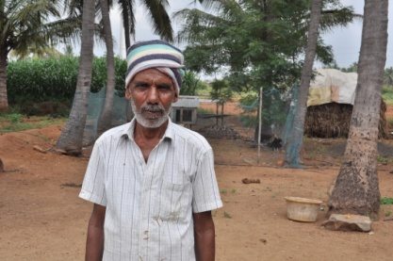 | 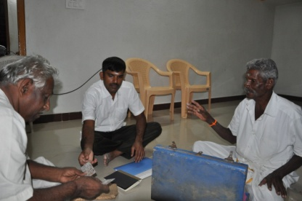 | 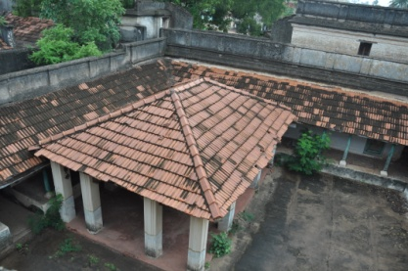 | 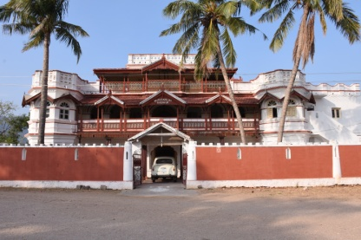 | 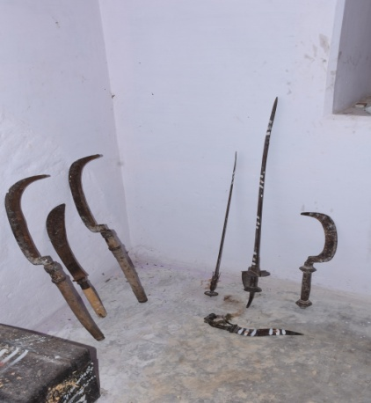 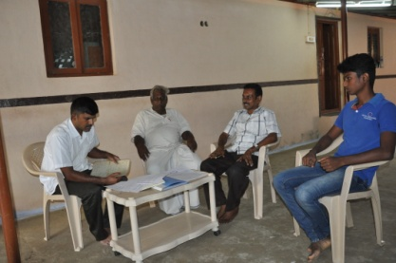 |  | 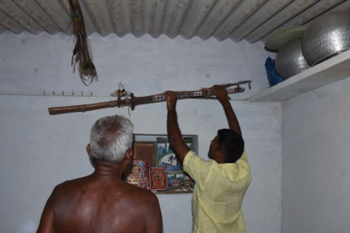 | 